Sheet1
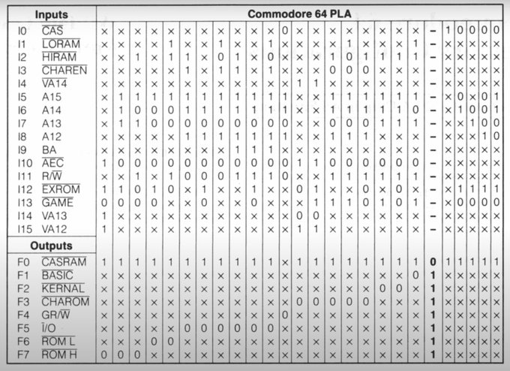
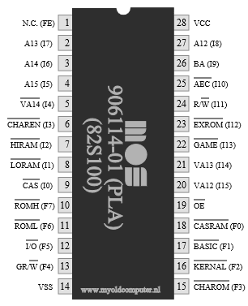
 | N/C | A13 | A14 | A15 | VA14 | CHAREN | HIRAM | LORAM | CAS | ROMH | ROML | I/O | GR/W | GND | CHAROM | KERNAL | BASIC | CASRAM |  | VA12 | VA13 | GAME | EXROM | R/W | AEC | BA | A12 | +5V
 | FE | I7 | I6 | I5 | I4 | I3 | I2 | I1 | I0 | F7 | F6 | F5 | F4 | VSS | F3 | F2 | F1 | F0 | OE | I15 | I14 | I13 | I12 | I11 | I10 | I9 | I8 | VCC
 | 1 | 2 | 3 | 4 | 5 | 6 | 7 | 8 | 9 | 10 | 11 | 12 | 13 | 14 | 15 | 16 | 17 | 18 | 19 | 20 | 21 | 22 | 23 | 24 | 25 | 26 | 27 | 28
1 | x | x | x | x | x | x | x | x | x | L | x | x | x | G | x | x | x | H | 0 | 1 | 1 | 0 | 1 | x | 1 | x | x | V
2 | x | 1 | 1 | 1 | x | x | x | x | x | L | x | x | x | G | x | x | x | H | 0 | x | x | 0 | 1 | x | 0 | x | x | V
3 | x | 1 | 0 | 1 | x | x | 1 | x | x | L | x | x | x | G | x | x | x | H | 0 | x | x | 0 | 0 | 1 | 0 | x | x | V
4 | x | 0 | 0 | 1 | x | x | x | x | x | x | L | x | x | G | x | x | x | H | 0 | x | x | 0 | 1 | x | 0 | x | x | V
5 | x | 0 | 0 | 1 | x | x | 1 | 1 | x | x | L | x | x | G | x | x | x | H | 0 | x | x | x | 0 | 1 | 0 | x | x | V
6 | x | 0 | 1 | 1 | x | 1 | 1 | x | x | x | x | L | x | G | x | x | x | H | 0 | x | x | x | x | 0 | 0 | x | 1 | V
7 | x | 0 | 1 | 1 | x | x | x | x | x | x | x | L | x | G | x | x | x | H | 0 | x | x | 0 | 1 | 0 | 0 | x | 1 | V
8 | x | 0 | 1 | 1 | x | 1 | 0 | 1 | x | x | x | L | x | G | x | x | x | H | 0 | x | x | x | x | 0 | 0 | x | 1 | V
9 | x | 0 | 1 | 1 | x | 1 | 1 | x | x | x | x | L | x | G | x | x | x | H | 0 | x | x | x | x | 1 | 0 | 1 | 1 | V
10 | x | 0 | 1 | 1 | x | x | x | x | x | x | x | L | x | G | x | x | x | H | 0 | x | x | 0 | 1 | 1 | 0 | 1 | 1 | V
11 | x | 0 | 1 | 1 | x | 1 | 0 | 1 | x | x | x | L | x | G | x | x | x | H | 0 | x | x | x | x | 1 | 0 | 1 | 1 | V
12 | x | 0 | 1 | 1 | x | x | x | x | 0 | x | x | x | L | G | x | x | x | x | 0 | x | x | x | x | 0 | 0 | x | 1 | V
13 | x | x | x | x | 1 | x | x | x | x | x | x | x | x | G | L | x | x | H | 0 | 1 | 0 | x | 0 | x | 1 | x | x | V
14 | x | x | x | x | 1 | x | x | x | x | x | x | x | x | G | L | x | x | H | 0 | 1 | 0 | 1 | 1 | x | 1 | x | x | V
15 | x | 0 | 1 | 1 | x | 0 | 1 | x | x | x | x | x | x | G | L | x | x | H | 0 | x | x | 1 | x | 1 | 0 | x | 1 | V
16 | x | 0 | 1 | 1 | x | 0 | 0 | 1 | x | x | x | x | x | G | L | x | x | H | 0 | x | x | 1 | x | 1 | 0 | x | 1 | V
17 | x | 0 | 1 | 1 | x | 0 | 1 | x | x | x | x | x | x | G | L | x | x | H | 0 | x | x | 0 | 0 | 1 | 0 | x | 1 | V
18 | x | 1 | 1 | 1 | x | x | 1 | x | x | x | x | x | x | G | x | L | x | H | 0 | x | x | 1 | x | 1 | 0 | x | x | V
19 | x | 1 | 1 | 1 | x | x | 1 | x | x | x | x | x | x | G | x | L | x | H | 0 | x | x | 0 | 0 | 1 | 0 | x | x | V
20 | x | 1 | 0 | 1 | x | x | 1 | 1 | x | x | x | x | x | G | x | x | x | H | 0 | x | x | 1 | x | 1 | 0 | x | x | V
21 | x | x | x | x | x | x | x | x | 1 | x | x | x | x | G | x | x | x | H | 0 | x | x | x | x | x | x | x | x | V
22 | x | x | 1 | 0 | x | x | x | x | 0 | x | x | x | x | G | x | x | x | H | 0 | x | x | 0 | 1 | x | x | x | x | V
23 | x | 1 | 0 | x | x | x | x | x | 0 | x | x | x | x | G | x | x | x | H | 0 | x | x | 0 | 1 | x | x | x | x | V
24 | x | 0 | 0 | 0 | x | x | x | x | 0 | x | x | x | x | G | x | x | x | H | 0 | x | x | 0 | 1 | x | x | x | 1 | V
25 | x | 0 | 1 | 1 | x | x | x | x | 0 | x | x | x | x | G | x | x | x | H | 0 | x | x | 0 | 1 | x | x | x | 0 | V
26 | x | x | x | x | x | x | x | x | x | H | H | H | H | G | H | H | H | x | 0 | x | x | x | x | x | x | x | x | V
 |  |  |  |  |  |  |  |  |  |  |  |  |  |  |  |  |  | ñ
 |  |  |  |  |  |  |  |  |  |  |  |  |  |  |  |  |  | This is marked as L in the magazine article

